Latency
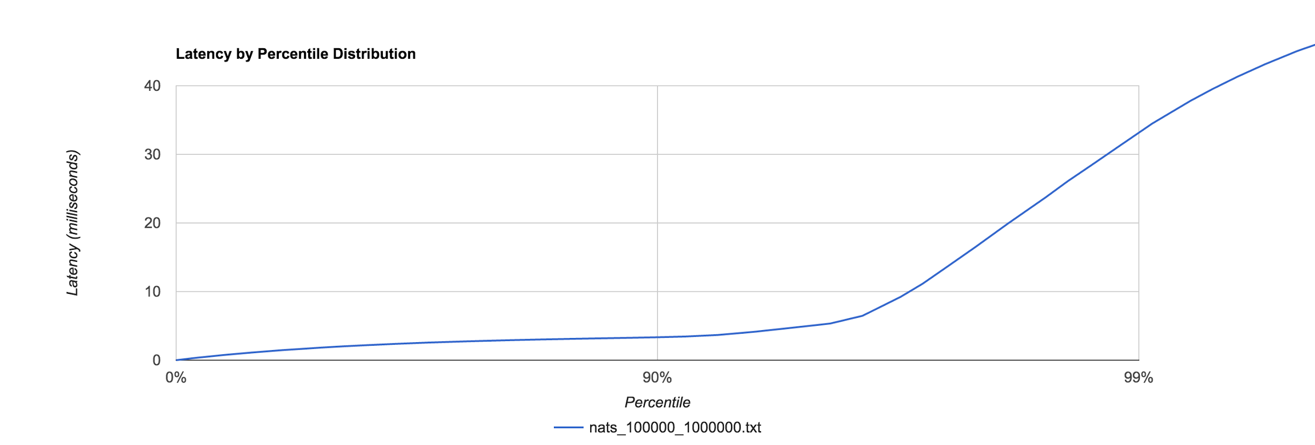
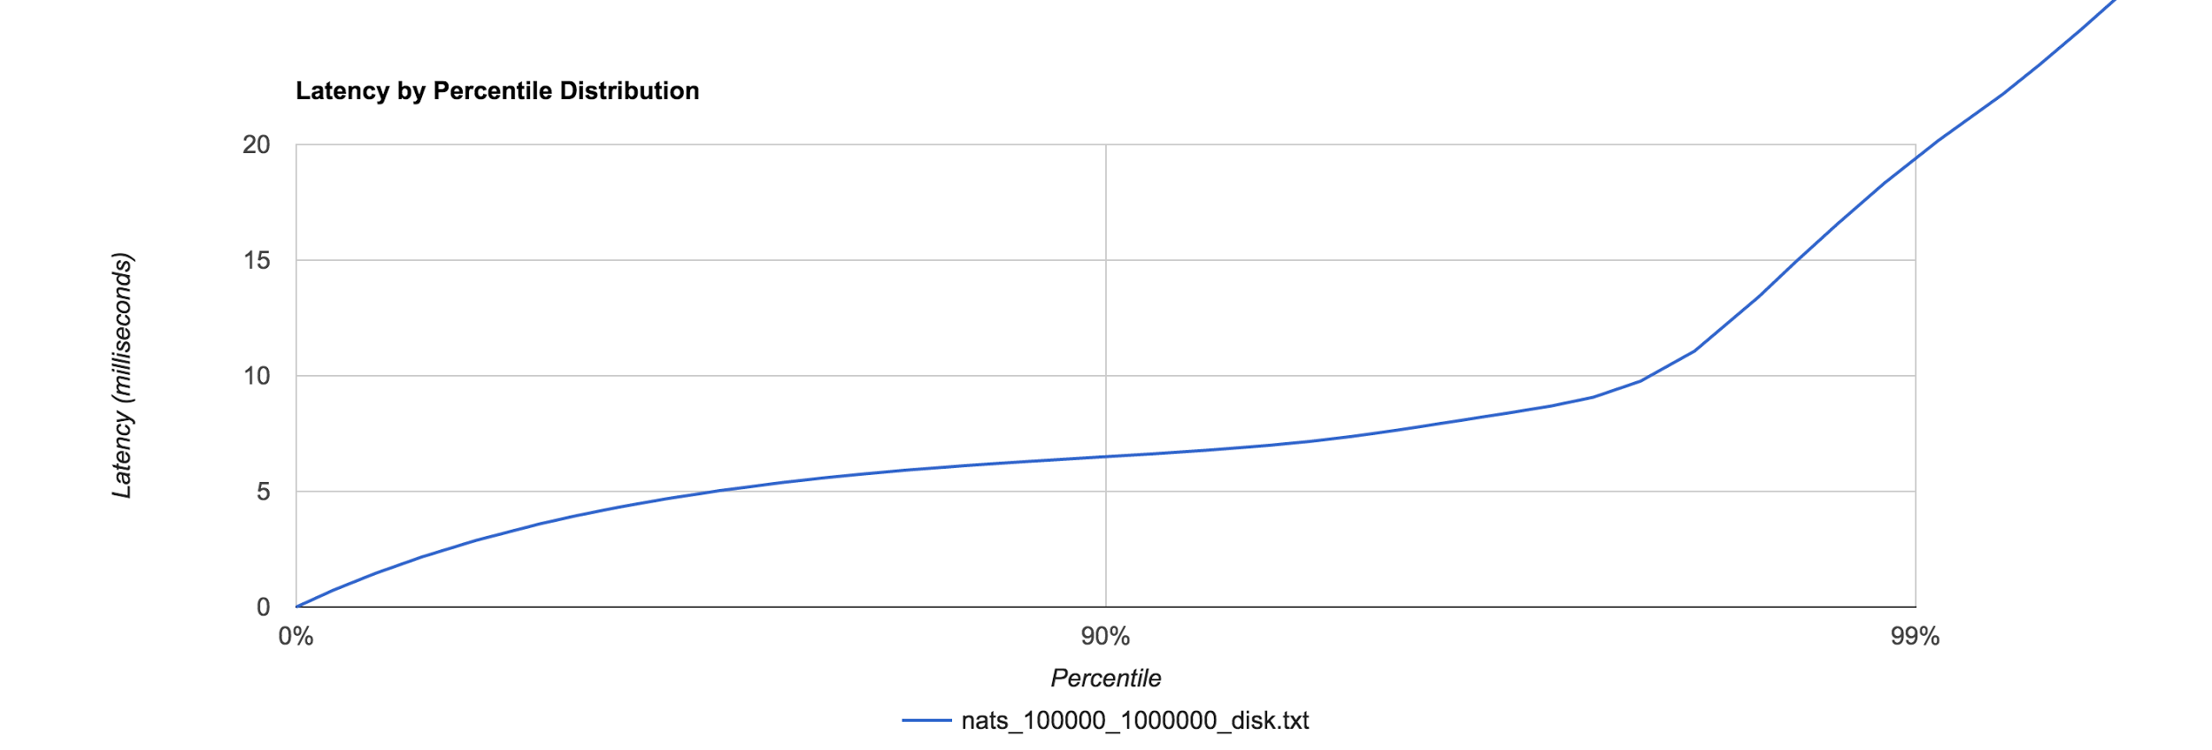
Machine Configuration |  | Testing Configuration

OS | Centos 7 VM | Running Duration | 20 sec
RAM | 16GB | Mutation per sec | 100k
Disk | 100GB

InMemory |  |  |  | DISK

Payload Size | 1KB |  |  | Payload Size | 1KB
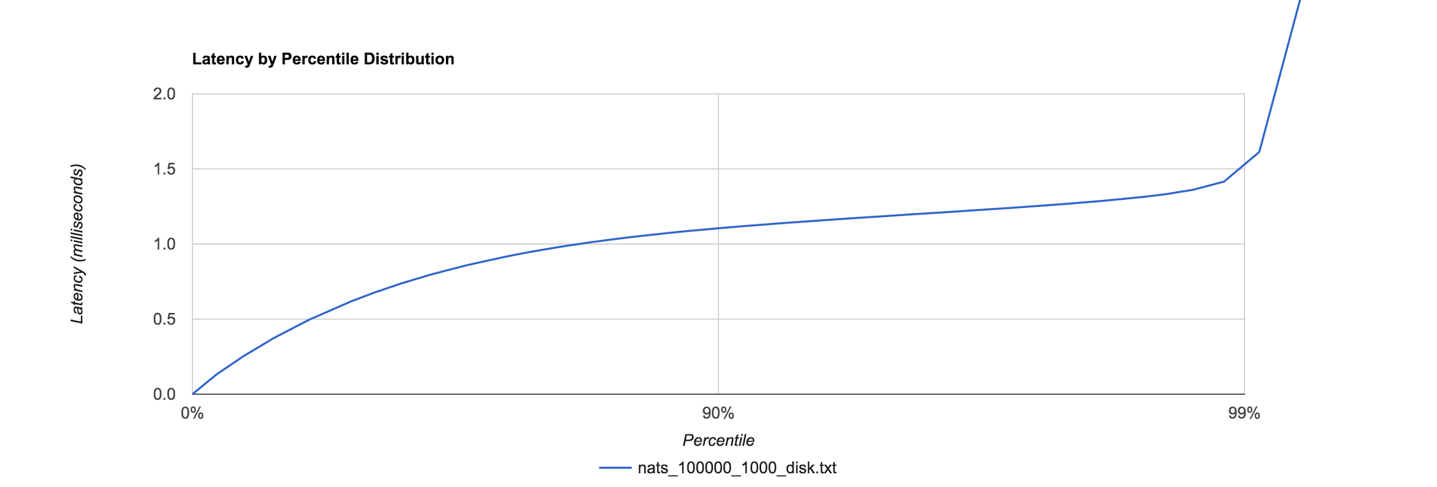
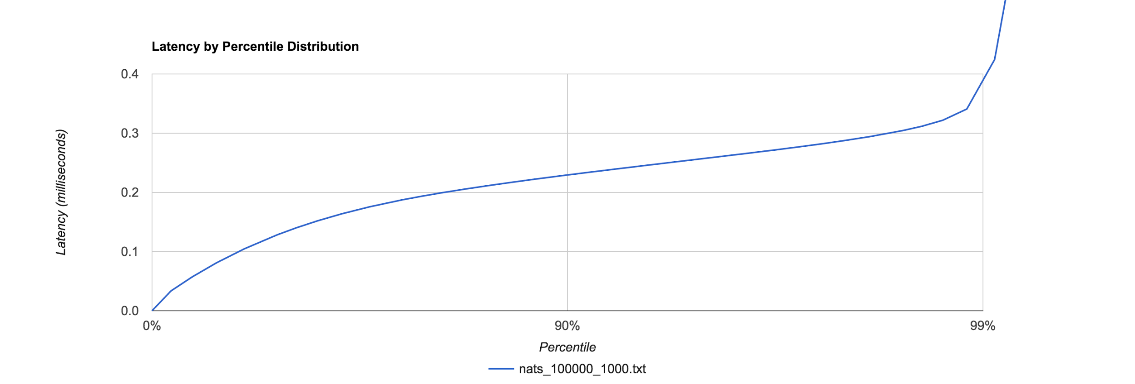
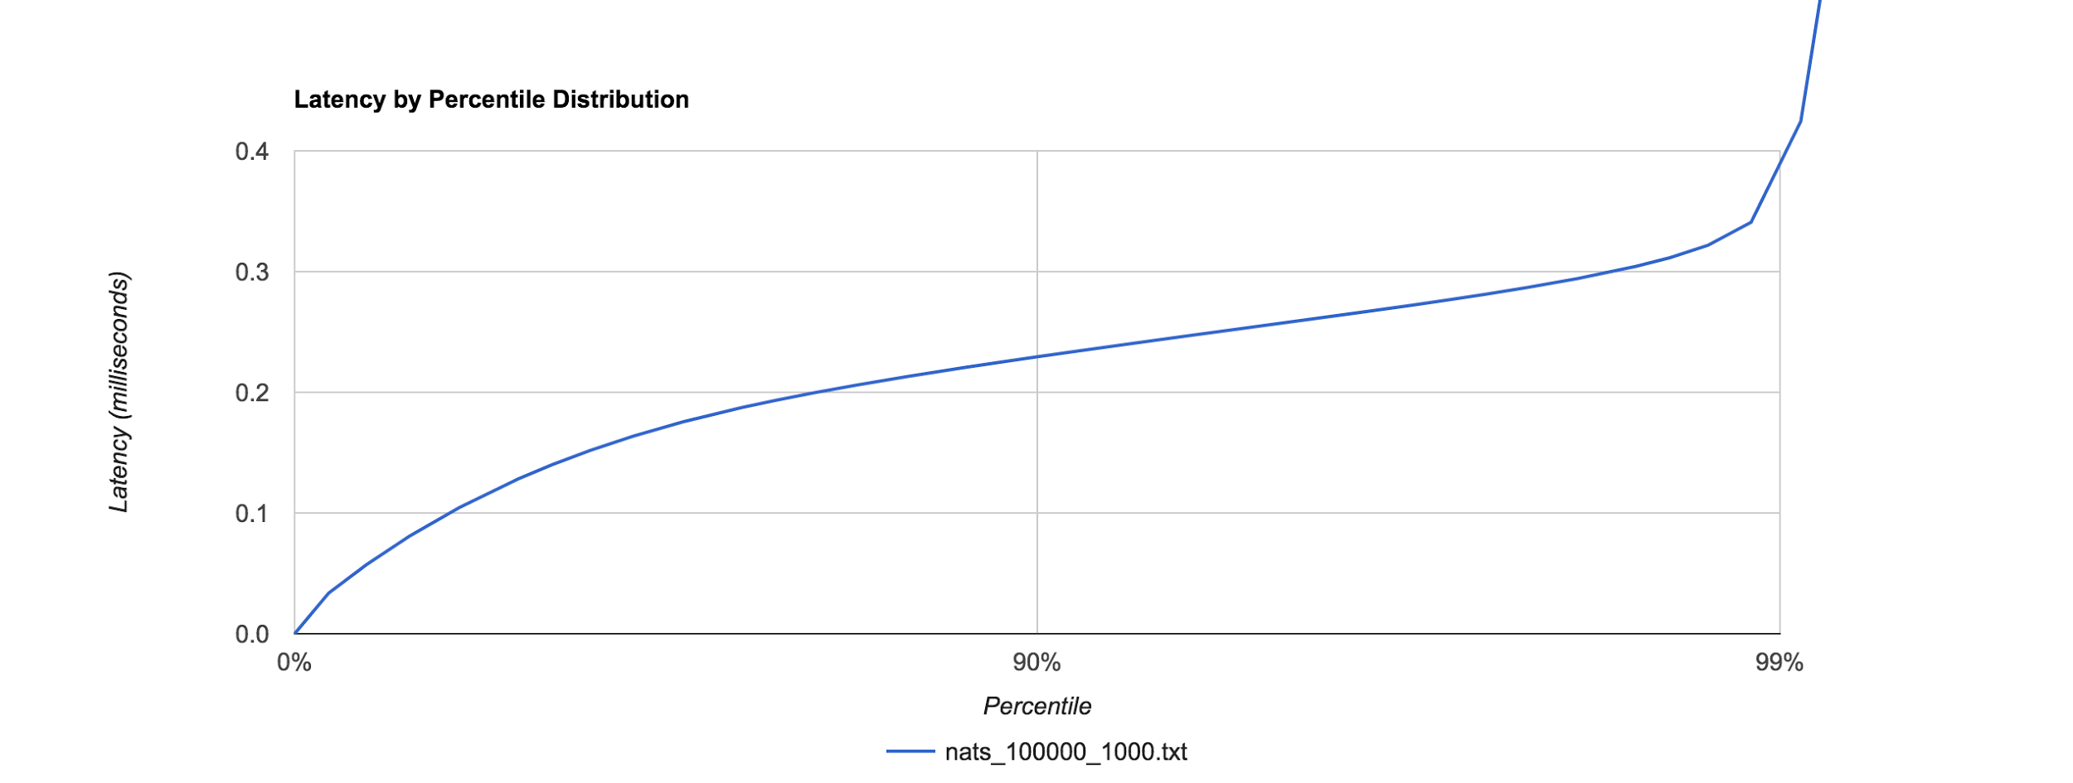

 |  |  |  | Payload Size | 10 KB
Payload Size | 10 KB
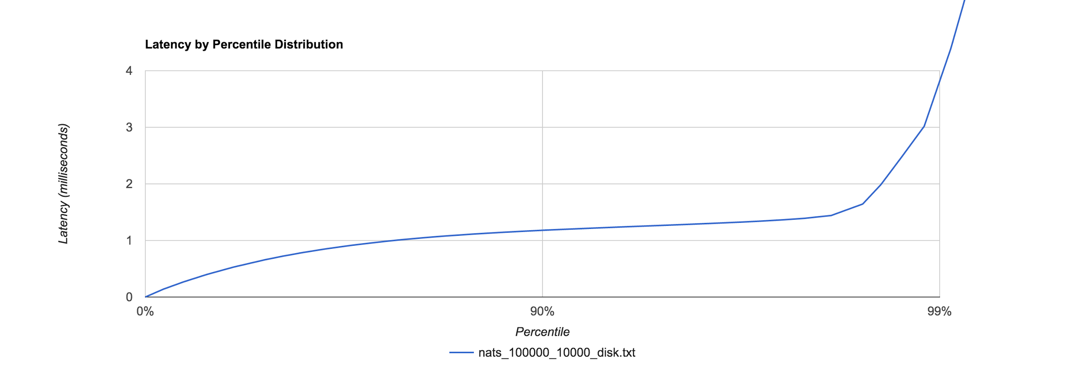
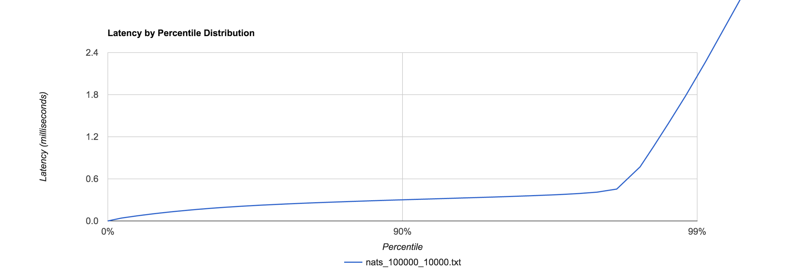

Payload Size | 1MB |  |  |  | Payload Size | 1MB

